dashboard
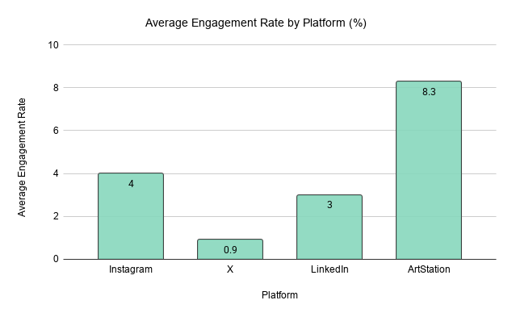
Little Red Zombies - Social Media Dashboard |  |  |  | Select Platform
Total Posts | Avg Engagement Rate | Best Performing Platform | Most Active Month | ArtStation
368 | 2.63% | ArtStation | 2023-12

Posting Frequency by Month
Views and Likes Over Time
 |  |  |  |  | Top 10 Posts - ArtStation
 |  |  |  |  | rank | date | likes | comments | views | engagement_rate | url
 |  |  |  |  | 1 | 2020-03-21 | 8600 | 141 | 14300 | 61.13 | https://www.artstation.com/artwork/gJrOym
 |  |  |  |  | 2 | 2025-04-21 | 665 | 0 | 5300 | 12.55 | https://www.artstation.com/artwork/bg4gGr
 |  |  |  |  | 3 | 2026-03-30 | 170 | 0 | 1500 | 11.33 | https://www.artstation.com/artwork/bg9Nor
 |  |  |  |  | 4 | 2025-04-21 | 560 | 2 | 5100 | 11.02 | https://www.artstation.com/artwork/0lqlyw
 |  |  |  |  | 5 | 2026-04-01 | 303 | 2 | 2800 | 10.89 | https://www.artstation.com/artwork/gREQl8
 |  |  |  |  | 6 | 2025-08-07 | 580 | 5 | 5600 | 10.45 | https://www.artstation.com/artwork/OvKAWe
 |  |  |  |  | 7 | 2025-02-06 | 843 | 4 | 8300 | 10.2 | https://www.artstation.com/artwork/rlWnde
 |  |  |  |  | 8 | 2025-04-21 | 567 | 2 | 5600 | 10.16 | https://www.artstation.com/artwork/4NLNmW
 |  |  |  |  | 9 | 2026-02-06 | 170 | 2 | 1700 | 10.12 | https://www.artstation.com/artwork/oJNekO
 |  |  |  |  | 10 | 2026-04-01 | 148 | 3 | 1500 | 10.07 | https://www.artstation.com/artwork/WXR1WE

Total Engagement by Platform

